Example3 (Simplex)
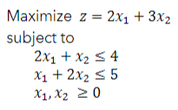
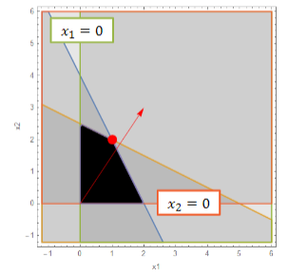

Basis | z | x1 | x2 | s1 | s2 | sol

Basis | z | x1 | x2 | s1 | s2 | sol

Basis | z | x1 | x2 | s1 | s2 | sol

Example4 (Big M)
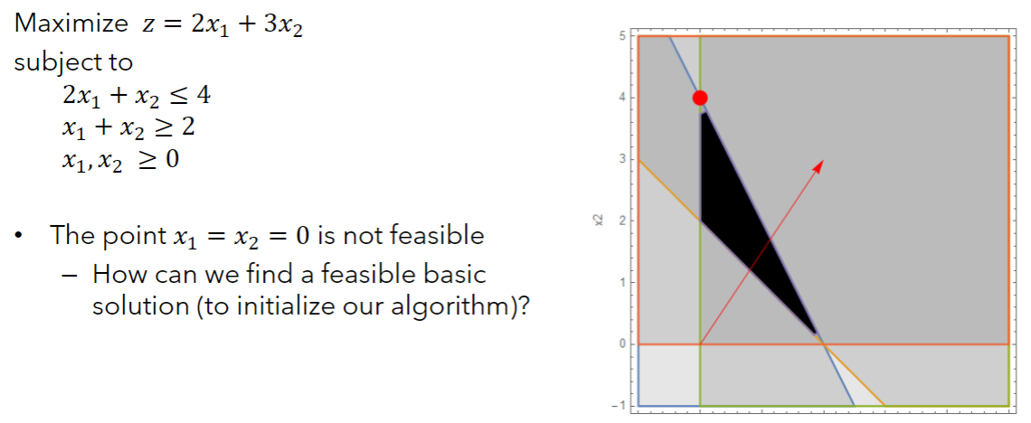

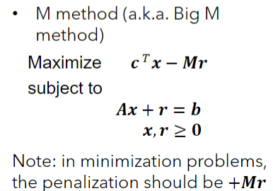
Basis | z | x1 | x2 | s1 | s2 | sol

Basis | z | x1 | x2 | s1 | s2 | r | sol

Basis | z | x1 | x2 | s1 | s2 | r | sol

Basis | z | x1 | x2 | s1 | s2 | r | sol

Example4 (Two-Phase)
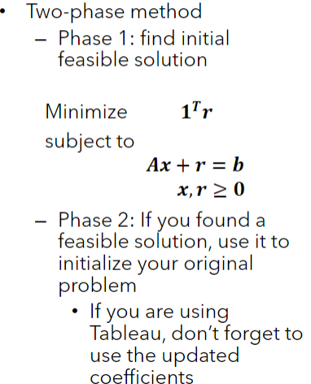
Basis | z | x1 | x2 | s1 | s2 | sol

Basis | z | x1 | x2 | s1 | s2 | r | sol

Basis | z | x1 | x2 | s1 | s2 | r | sol

Basis | z | x1 | x2 | s1 | s2 | r | sol

Example5 (Degeneracy)
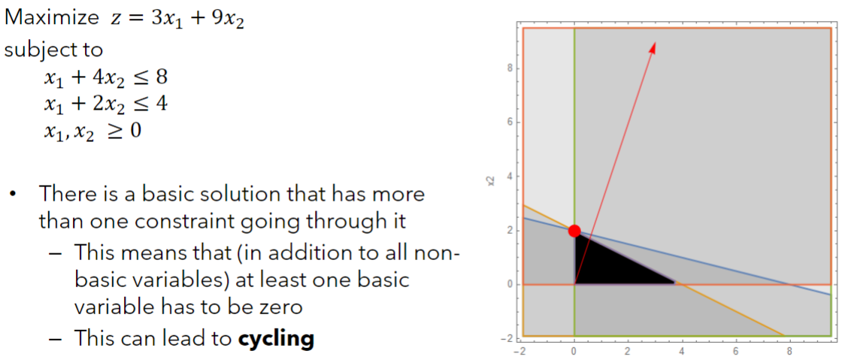

Basis | z | x1 | x2 | s1 | s2 | sol

Basis | z | x1 | x2 | s1 | s2 | sol

Basis | z | x1 | x2 | s1 | s2 | sol

Example6 (Alternate optima)
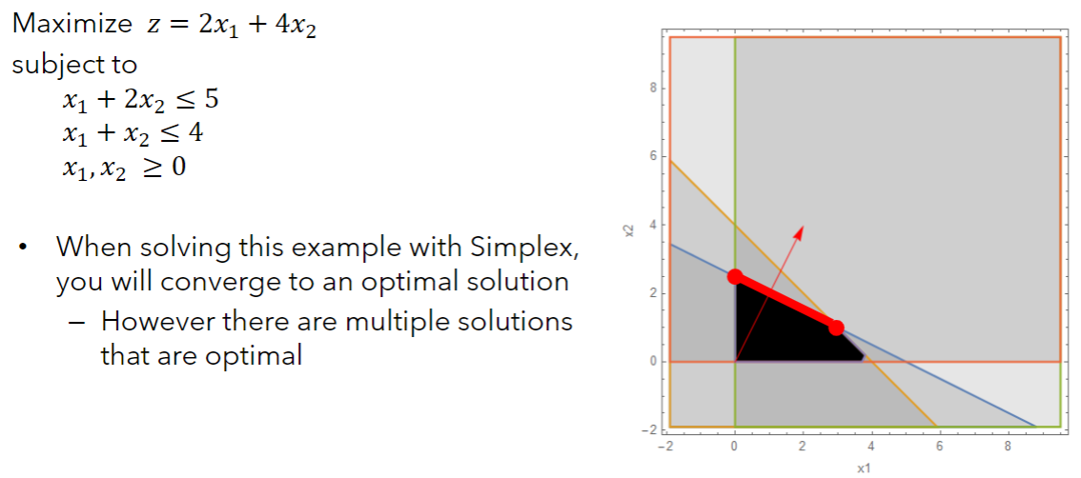

Basis | z | x1 | x2 | s1 | s2 | sol

Basis | z | x1 | x2 | s1 | s2 | sol

Basis | z | x1 | x2 | s1 | s2 | sol

Example7A (Unb. sol space)
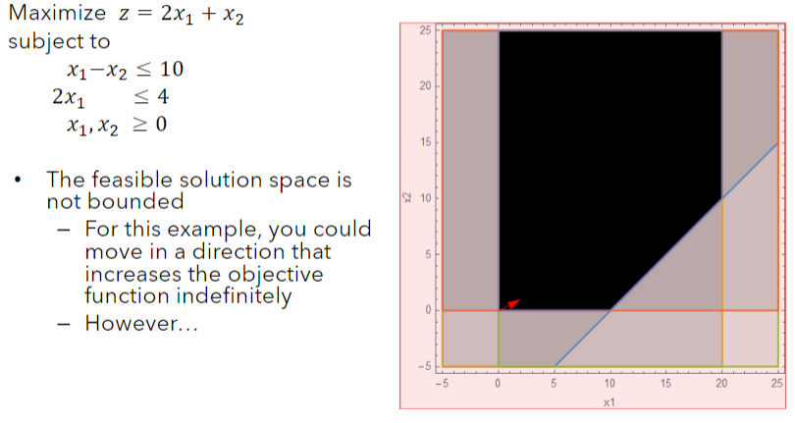

Basis | z | x1 | x2 | s1 | s2 | sol

Basis | z | x1 | x2 | s1 | s2 | sol

Basis | z | x1 | x2 | s1 | s2 | sol

Example7B (Unb. sol space)
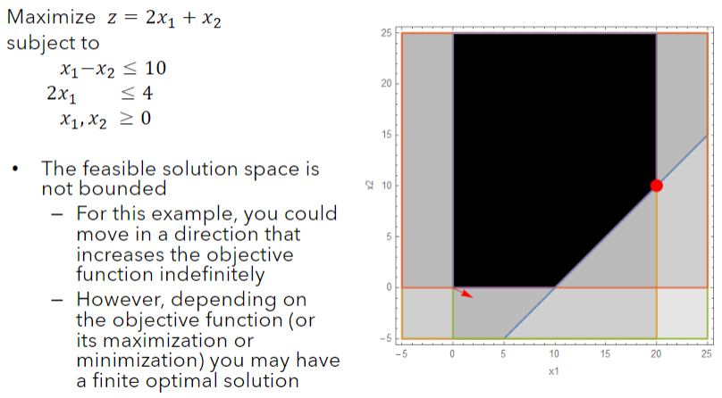

Basis | z | x1 | x2 | s1 | s2 | sol

Basis | z | x1 | x2 | s1 | s2 | sol

Basis | z | x1 | x2 | s1 | s2 | sol

